Sheet3
Section
2.0 & 4.1 | Ambient | 65 | 85 | F | (during test cannot vary more than ±7F) | Section 7
2.0 | Relative humidity | 20 | 65 | %
4.2.1 | Inlet water | 68 | 76 | F |  | Installation
4.3.1 | Inlet water pressure | 40 | 150 | psi
4.4 | Gas pressure | 7 | 10 | in wc
4.4 | HHV | 1015 | 1065 | Btu/cu. ft |  |  | 4" dia vent
 |  |  |  |  |  | 5ft vent | (largest diameter)

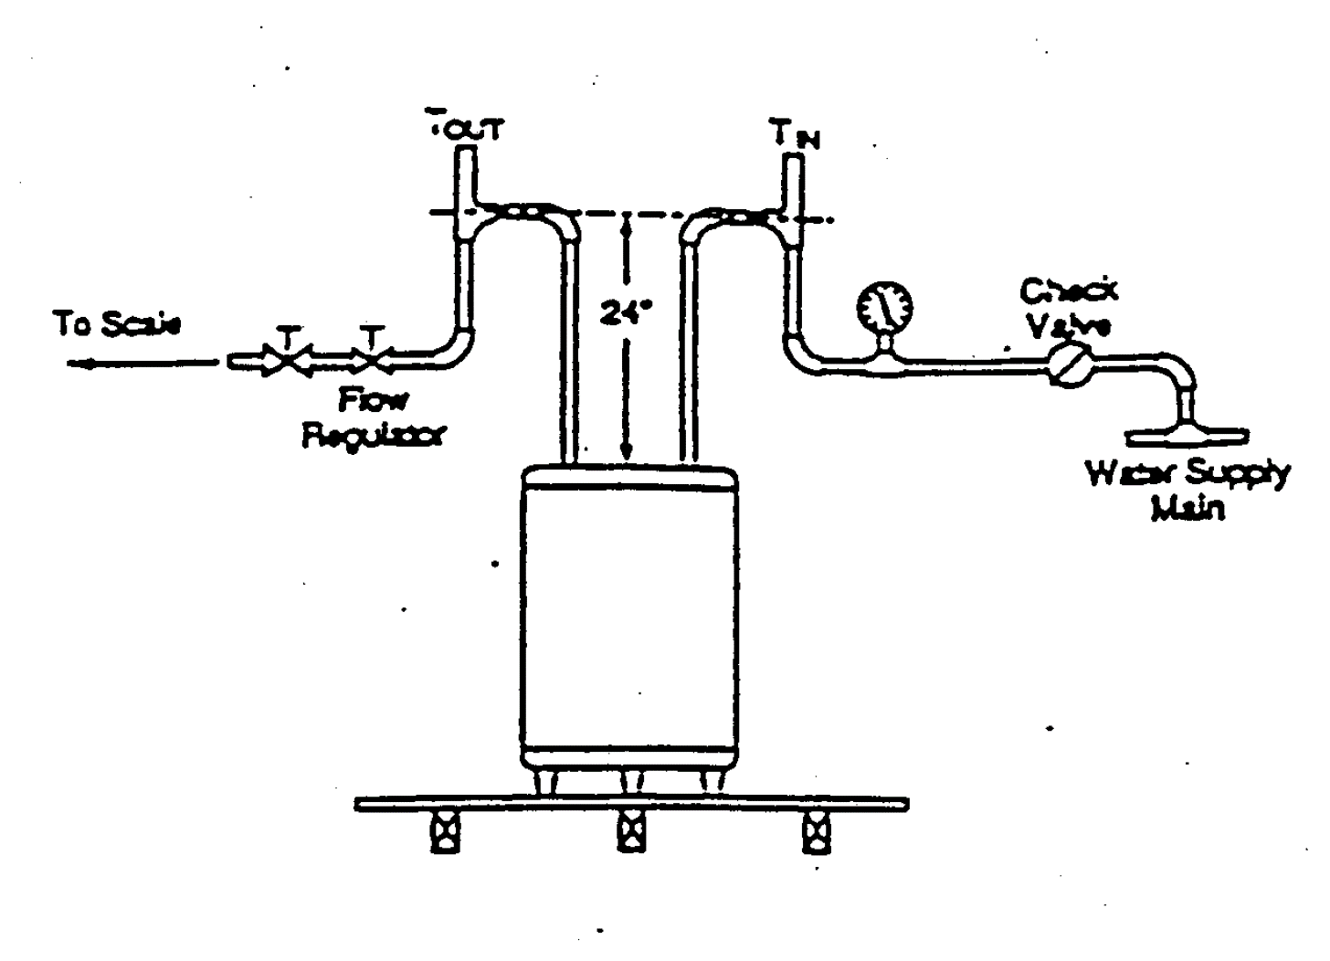

Section 5 | Instrumentation
 | 6 probes - use 24 SUT test probe

8.0 | Test method
8.1 | Input | -2% | 2%
8.1.3 | Maximum mean tank temp. | 130 | 140 | F
Test procedure
1 | Set unit up with probe, 24" stand pipe and 5 ft vent
2 | Fill tank with water and light pilot
3 | Set thermostat to get maximum mean tank temperature between 130F and 140F after first cut out
4 | Wait for thermostat to satisfy
5 | Draw 10 gallon water at 3 gpm
6 | Wait for thermostat to satisfy
7 | Measure the maximum mean tank temperature every minute till maximum mean tank temperature has reached, To
8 | Record this as time T0, gas meter reading at start of test
9 | Draw 10.7 ± 0.5 gallon @ 3.0 ±0.25
10 | If burner cut in has not occurred when 10.7 gallons has been withdrawn continue withdrawal until cut-in occurs
11 | Record burner cut in time
12 | Record burner cut out time
13 | Record inlet (Tin), outlet (Tdel) water temperatures, gas used, water drawn during the draw period
14 | After cut out wait and record maximum mean tank temperature that was reached, Tmax

 | Scan interval: 15 secs after draw initiation and then 5 sec intervals

 | Need following information displayed

